Lembar1
OUTLOOK | TEMPERATURE | HUMADITY | WINDY | PLAY |  |  |  |  | Jml Kasus | Tidak(S1) | Ya(S2) | Entropy | Gain
Sunny | Hot | High | No | Don't Play |  |  | Total |  | 14 | 4 | 10 | 0.86312056857
Sunny | Hot | High | Yes | Don't Play |  |  | Outlook |  |  |  |  |  | 0.25852103666
Cloudy | Hot | High | No | Play |  |  |  | Cloudy | 4 | 0 | 4 | 0
Rainly | Mild | High | No | Play |  |  |  | Rainly | 5 | 1 | 4 | 0.72192809489
Rainly | Cool | Normal | No | Play |  |  |  | Sunny | 5 | 3 | 2 | 0.97095059445
Rainly | Cool | Normal | Yes | Play |  |  | Temp |  |  |  |  |  | 0.1838509254
Cloudy | Cool | Normal | Yes | Play |  |  |  | Cool | 4 | 0 | 4 | 0
Sunny | Mild | High | No | Don't Play |  |  |  | Hot | 4 | 2 | 2 | 1
Sunny | Cool | Normal | No | Play |  |  |  | Mild | 6 | 2 | 4 | 0.91829583405
Rainly | Mild | Normal | No | Play |  |  | Humidity |  |  |  |  |  | 0.37050650055
Sunny | Mild | Normal | Yes | Play |  |  |  | High | 7 | 4 | 3 | 0.98522813603
Cloudy | Mild | High | Yes | Play |  |  |  | Normal | 7 | 0 | 7 | 0
Cloudy | Hot | Normal | No | Play |  |  | Windy |  |  |  |  |  | 0.0059777114238
Rainly | Mild | High | Yes | Don't Play |  |  |  | No | 8 | 2 | 6 | 0.81127812446
 |  |  |  |  |  |  |  | Yes | 6 | 2 | 4 | 0.91829583405
Perhitungan Node 1.1
 |  | Jml Kasus | Tidak(S1) | Ya(S2) | Entropy | Gain
Humidity High |  | 7 | 4 | 3 | 0.98522813603
Outlook |  |  |  |  |  | 0.69951385032
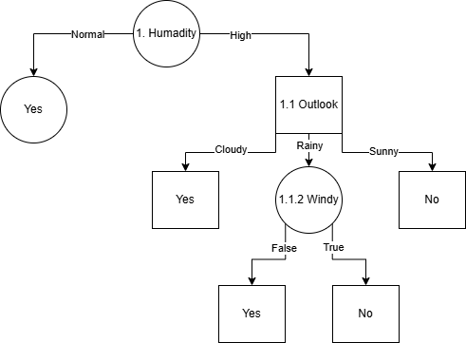
 | Cloudy | 2 | 0 | 2 | 0
 | Rainly | 2 | 1 | 1 | 1
 | Sunny | 3 | 3 | 0 | 0
Temp |  |  |  |  |  | 0.020244207154
 | Cool | 0 | 0 | 0 | 0
 | Hot | 3 | 2 | 1 | 0.91829583405
 | Mild | 4 | 2 | 2 | 1
Windy |  |  |  |  |  | 0.020244207154
 | No | 4 | 2 | 2 | 1
 | Yes | 3 | 2 | 1 | 0.91829583405

Perhitungan Node 1.1.2
 |  | Jml Kasus | Tidak(S1) | Ya(S2) | Entropy | Gain
Humidity High and Outlook Rainly |  | 2 | 1 | 1 | 1
Temp |  |  |  |  |  | 0
 | Cool | 0 | 0 | 0 | 0
 | Hot | 0 | 0 | 0 | 0 |  |  | Jika kelembapan (humidity) normal, maka bermain tenis. Jika kelembapan tinggi, maka keputusan bermain tenis tergantung pada cuaca (outlook). Jika cuaca mendung (cloudy), maka bermain tenis. Jika cuaca cerah (sunny), maka tidak bermain. Jika cuaca hujan (rainy), maka keputusan bermain tenis tergantung pada kondisi angin (windy). Jika tidak ada angin, maka bermain tenis. Jika ada angin, maka tidak bermain.
 | Mild | 2 | 1 | 1 | 1
Windy |  |  |  |  |  | 1
 | No | 1 | 0 | 1 | 0
 | Yes | 1 | 1 | 0 | 0

